Charts
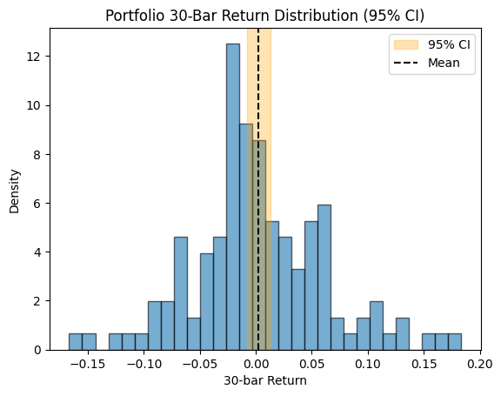
30-Bar Return Dist

